Question 1
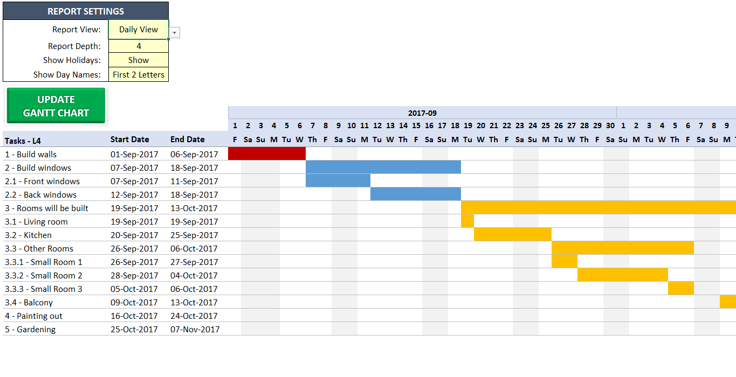
Project Start Date |  |  | 2022-01-03 |  | =MIN(D13:D22) |  |  |  | Creating Horizontal Bars
Project End Date |  |  | 2022-02-06 |  | =MAX(E13:E22) |  |  |  | Step 1: | Planned: |  |  |  | =IF(AND(K12>=$B$13, K12<=$C$13), "Y", "") |  |  |  |  |  |  |  |  | Drag till the End
Total Activities |  |  | 5 |  | =COUNTA(A13:A22) |  |  |  | Step 2: | Actual: |  |  |  | =IF(AND(K12>=$D$13, K12<=$E$13), "N", "") |  |  |  |  |  |  |  |  | Drag till the End
Activities Start Delayed |  |  | 3 |  | =COUNTIFS(H13:H22, "Yes") |  |  |  | Step 3: | Under Home Tab -> Conditional Formatting -> Highlight Cell Rules -> Text that Contain
Activities Completed on Time |  |  | 3 |  | =COUNTIF(I13:I22, "No") |  |  |  | Step 4: | Format the Cell with "Y" with Red and "N" with Green.
Activities Completed Late |  |  | 2 |  | =COUNTIF(I13:I22, "Yes")

 |  |  |  |  |  |  | Yes/ No | Yes/No
Activity Description | Planned Start Date | Planned Completion Date | Actual Start Date | Actual Completion Date | Planned Days | Actual Days | Delayed Start | Delayed Completion |  | 2022-01-01 | 2022-01-02 | 2022-01-03 | 2022-01-04 | 2022-01-05 | 2022-01-06 | 2022-01-07 | 2022-01-08 | 2022-01-09 | 2022-01-10 | 2022-01-11 | 2022-01-12 | 2022-01-13 | 2022-01-14 | 2022-01-15 | 2022-01-16 | 2022-01-17 | 2022-01-18 | 2022-01-19 | 2022-01-20 | 2022-01-21 | 2022-01-22 | 2022-01-23 | 2022-01-24 | 2022-01-25 | 2022-01-26 | 2022-01-27 | 2022-01-28 | 2022-01-29 | 2022-01-30 | 2022-01-31 | 2022-02-01 | 2022-02-02 | 2022-02-03 | 2022-02-04 | 2022-02-05 | 2022-02-06 | 2022-02-07 | 2022-02-08 | 2022-02-09 | 2022-02-10 | 2022-02-11 | 2022-02-12 | 2022-02-13 | 2022-02-14 | 2022-02-15 | 2022-02-16 | 2022-02-17 | 2022-02-18 | 2022-02-19 | 2022-02-20 | 2022-02-21 | 2022-02-22 | 2022-02-23 | 2022-02-24 | 2022-02-25 | 2022-02-26 | 2022-02-27 | 2022-02-28
Activity 1 | 2022-01-01 | 2022-01-10 | 2022-01-03 | 2022-01-08 | 9 | 5 | Yes | No | Planned | Y | Y | Y | Y | Y | Y | Y | Y | Y | Y
 |  |  |  |  |  |  |  |  | Actual |  |  | N | N | N | N | N | N
Activity 2 | 2022-01-05 | 2022-01-08 | 2022-01-05 | 2022-01-10 | 3 | 5 | No | Yes | Planned |  |  |  |  | Y | Y | Y | Y
 |  |  |  |  |  |  |  |  | Actual |  |  |  |  | N | N | N | N | N | N
Activity 3 | 2022-01-06 | 2022-02-15 | 2022-01-07 | 2022-02-06 | 40 | 30 | Yes | No | Planned |  |  |  |  |  | Y | Y | Y | Y | Y | Y | Y | Y | Y | Y | Y | Y | Y | Y | Y | Y | Y | Y | Y | Y | Y | Y | Y | Y | Y | Y | Y | Y | Y | Y | Y | Y | Y | Y | Y | Y | Y | Y | Y | Y | Y
 |  |  |  |  |  |  |  |  | Actual |  |  |  |  |  |  | N | N | N | N | N | N | N | N | N | N | N | N | N | N | N | N | N | N | N | N | N | N | N | N | N | N | N | N | N | N | N
Activity 4 | 2022-01-06 | 2022-02-07 | 2022-01-08 | 2022-02-06 | 32 | 29 | Yes | No | Planned |  |  |  |  |  | Y | Y | Y | Y | Y | Y | Y | Y | Y | Y | Y | Y | Y | Y | Y | Y | Y | Y | Y | Y | Y | Y | Y | Y | Y | Y | Y | Y | Y | Y | Y | Y | Y
 |  |  |  |  |  |  |  |  | Actual |  |  |  |  |  |  |  | N | N | N | N | N | N | N | N | N | N | N | N | N | N | N | N | N | N | N | N | N | N | N | N | N | N | N | N | N | N
Activity 5 | 2022-01-08 | 2022-01-20 | 2022-01-07 | 2022-02-06 | 12 | 30 | No | Yes | Planned |  |  |  |  |  |  |  | Y | Y | Y | Y | Y | Y | Y | Y | Y | Y | Y | Y | Y
 |  |  |  |  |  |  |  |  | Actual |  |  |  |  |  |  | N | N | N | N | N | N | N | N | N | N | N | N | N | N | N | N | N | N | N | N | N | N | N | N | N | N | N | N | N | N | N

TASK
1. Add formulas to automatically get values in Cells, D6, D7, D8, D9 and D10 |  |  |  |  |  |  |  |  |  |  |  |  |  |  | Planned Days: |  |  |  | Planned Completion Date - Planned Start Date
2. Add formulas to get values for cells in Planned Days and Actual Days |  |  |  |  |  |  |  |  |  |  |  |  |  |  | Actual Days: |  |  |  | Actual Completion Date - Actual Start Date
3. Delayed Start & Completion should have Yes or No and colour indication as green background for No and red background for Yes |  |  |  |  |  |  |  |  |  |  |  |  |  |  | Delayed Start: |  |  |  | If Actual Start Date > Planned Start Date then "Yes" else "No"
4. Plot actual and planned in the cells corresponding to the dates against each activity and they should change with the change in any of the dates |  |  |  |  |  |  |  |  |  |  |  |  |  |  | Delayed Completion: |  |  |  | If Actual Completion Date > Planned Completion Date then "Yes" else "No"

 |  | Gantt Chart: | Project Manager tracks the Project's progress via Gantt Chart. The Progess is shown via Horizontal Bars.

